Sample Data
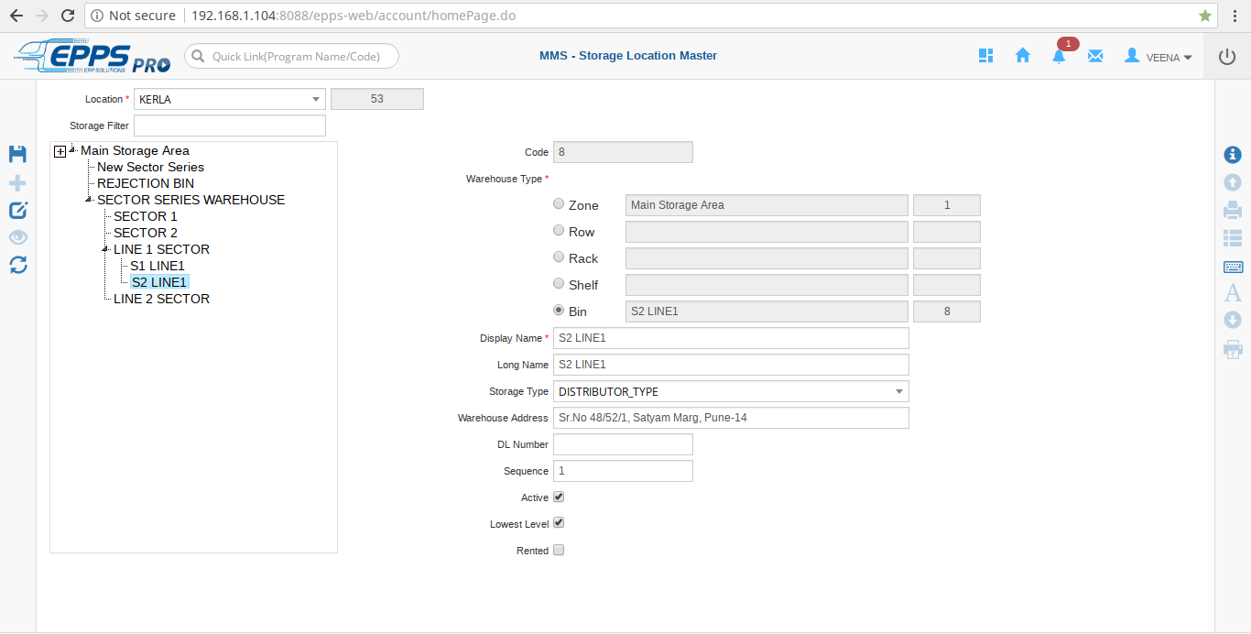
Location Code* | Warehouse Display Name* | Warehouse Long Name | Parent Warehouse Name* | Warehouse Type* | Lowest Level | Storage Type | Warehouse Address | DL Number | Sequence | Rented
53 | SECTOR SERIES WAREHOUSE | SECTOR SERIES WAREHOUSE | MAIN STORAGE AREA | RACK | N | DISTRIBUTOR_TYPE | Sr.No 48/52/1, Satyam Marg, Pune-14 | dl3321 |  | N
53 | SECTOR 1 | SECTOR 1 | SECTOR SERIES WAREHOUSE | RACK | Y | FACTORY_WAREHOUSE | Sr.No 48/52/1, Satyam Marg, Pune-14 |  | 1 | N
53 | SECTOR 2 | SECTOR 2 | SECTOR SERIES WAREHOUSE | SHELF | Y | FACTORY_WAREHOUSE | Sr.No 48/52/1, Satyam Marg, Pune-14 |  | 1 | N
53 | LINE 1 SECTOR | LINE 1 SECTOR | SECTOR SERIES WAREHOUSE | BIN | N | DISTRIBUTOR_TYPE | Sr.No 48/52/1, Satyam Marg, Pune-14 |  | 1 | N
53 | S1 LINE1 | S1 LINE1 | LINE 1 SECTOR | RACK | Y | DISTRIBUTOR_TYPE | Sr.No 48/52/1, Satyam Marg, Pune-14 |  | 1 | N
53 | S2 LINE1 | S2 LINE1 | LINE 1 SECTOR | BIN | Y | DISTRIBUTOR_TYPE | Sr.No 48/52/1, Satyam Marg, Pune-14 |  | 1 | N
53 | LINE 2 SECTOR | LINE 2 SECTOR | SECTOR SERIES WAREHOUSE | RACK | Y | FACTORY_WAREHOUSE | Sr.No 48/52/1, Satyam Marg, Pune-14 |  | 1 | N
53 | New Sector Series | new sector series | MAIN STORAGE AREA | ROW | N | DISTRIBUTOR_TYPE | Sr.No 48/52/1, Satyam Marg, Pune-14 |  | 1 | N

SCREEN SHOT

